Base Model
Train Data
Class | Notes | #
0 | Non Taker | 9404
1 | Taker | 7527

Classification Report
 | precision | recall | f1-score | support
0 | 0.84945764 | 0.61622714 | 0.71428571 | 9404
1 | 0.64299139 | 0.86355786 | 0.7371286 | 7527
Feature Importance
Feature Importance
accuracy |  | 0.72618274172
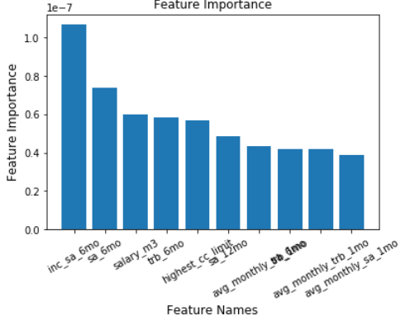
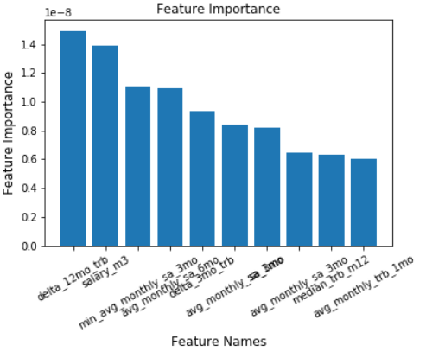

Confusion Matrix
 | Predicted: Non Taker | Predicted: Taker
Actual: Non Taker | 5795 | 3609
Actual: Taker | 1027 | 6500

Validation Data
Class | Notes | #
0 | Non Taker | 1859
1 | Taker | 1488

Classification Report
 | precision | recall | f1-score | support
0 | 0.83238312 | 0.39268424 | 0.53362573 | 1859
1 | 0.54291498 | 0.90120968 | 0.67761496 | 1488
accuracy |  | 0.61876307141

Confusion Matrix
3347 | Predicted: Non Taker | Predicted: Taker
Actual: Non Taker | 730 | 1129
Actual: Taker | 147 | 1341

Model 1 - Random Forest
Feature Importance
Train Data
Class | Notes | #
0 | Non Taker | 124756
1 | Taker | 125228

Classification Report
 | precision | recall | f1-score | support
0 | 0.999848 | 1 | 0.999924
1 | 1 | 0.999848 | 0.999924
accuracy | 99.992%
AUC | 99%

Confusion Matrix
 | Predicted: Non Taker | Predicted: Taker
Actual: Non Taker | 124756 | 0
Actual: Taker | 19 | 125209

Test Data
Class | Notes | #
0 | Non Taker | 31353
1 | Taker | 31143

Classification Report
 | precision | recall | f1-score | support
0 | 0.984873 | 0.976015 | 0.980424 | 31353
1 | 0.97607 | 0.984908 | 0.980469 | 31143
accuracy | 98.045%
AUC | 99%

Confusion Matrix
 | Predicted: Non Taker | Predicted: Taker
Actual: Non Taker | 30601 | 752
Actual: Taker | 470 | 30673

Validation Data
Class | Notes | #
0 | Non Taker | 39191
1 | Taker | 38929

Classification Report
 | precision | recall | f1-score | support
0 | 0.984523 | 0.977112 | 0.980803 | 39191
1 | 0.977131 | 0.984536 | 0.98082 | 38929
accuracy | 98.045%
AUC | 99%

Confusion Matrix
78120 | Predicted: Non Taker | Predicted: Taker
Actual: Non Taker | 38294 | 897
Actual: Taker | 602 | 38327

Best Threshold = 0.48

decile | decile_size | min_proba | max_proba | n_takers | n_non_takers | decile_percentage | decile_takers_rate | decile_non_takers_rate | overall_takers_rate | overall_non_takers_rate | cum_non_takers_rate | cum_takers_rate / gain | ks | lift | Random
1 | 7812 | 1 | 1 | 7812 | 0 | 10% | 100% | 0% | 20% | 0% | 0% | 20% | 2.01E-01 | 2.00673 | 1
2 | 7812 | 1 | 1 | 7810 | 2 | 20% | 100% | 0% | 20% | 0% | 0% | 40% | 4.01E-01 | 2.006473 | 1
3 | 7812 | 0.998 | 1 | 7811 | 1 | 30% | 100% | 0% | 20% | 0% | 0% | 60% | 6.02E-01 | 2.006473 | 1
4 | 7812 | 0.982 | 0.998 | 7791 | 21 | 40% | 100% | 0% | 20% | 0% | 0% | 80% | 8.01E-01 | 2.005189 | 1
5 | 7812 | 0.48 | 0.982 | 7044 | 768 | 50% | 90% | 10% | 18% | 2% | 2% | 98% | 9.63E-01 | 1.966041 | 1
6 | 7812 | 0.016204 | 0.48 | 591 | 7221 | 60% | 8% | 92% | 2% | 18% | 20% | 100% | 7.94E-01 | 1.66367 | 1
7 | 7812 | 0.002045 | 0.016204 | 43 | 7769 | 70% | 1% | 99% | 0% | 20% | 40% | 100% | 5.97E-01 | 1.427581 | 1
8 | 7812 | 0.000052 | 0.002045 | 19 | 7793 | 80% | 0% | 100% | 0% | 20% | 60% | 100% | 3.98E-01 | 1.249743 | 1
9 | 7812 | 0 | 0.000052 | 7 | 7805 | 90% | 0% | 100% | 0% | 20% | 80% | 100% | 1.99E-01 | 1.111083 | 1
10 | 7812 | 0 | 0 | 1 | 7811 | 100% | 0% | 100% | 0% | 20% | 100% | 100% | -1.11E-16 | 1 | 1

Model 2 - SVM
Feature Importance
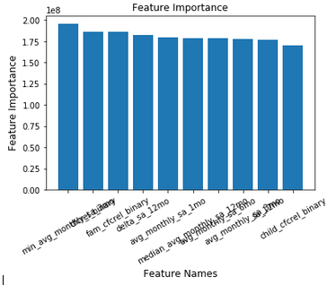
Train Data
Class | Notes | #
0 | Non Taker | 124756
1 | Taker | 125228

Classification Report
 | precision | recall | f1-score | support
0 | 0.807699 | 0.90063 | 0.851637 | 124756
1 | 0.888188 | 0.786382 | 0.83419 | 125228
accuracy | 84.340%
AUC | 88%

Confusion Matrix
 | Predicted: Non Taker | Predicted: Taker
Actual: Non Taker | 112359 | 12397
Actual: Taker | 26751 | 98477

Test Data
Class | Notes | #
0 | Non Taker | 31353
1 | Taker | 31143

Classification Report
 | precision | recall | f1-score | support
0 | 0.8091 | 0.901796 | 0.852937 | 31353
1 | 0.888244 | 0.785795 | 0.833884 | 31143
accuracy | 84.399%
AUC | 88%

Confusion Matrix
 | Predicted: Non Taker | Predicted: Taker
Actual: Non Taker | 28274 | 3079
Actual: Taker | 6671 | 24472

Validation Data
Class | Notes | #
0 | Non Taker | 39191
1 | Taker | 38929

Classification Report
 | precision | recall | f1-score | support
0 | 0.808147 | 0.901023 | 0.852062 | 39191
1 | 0.88732 | 0.784659 | 0.832838 | 38929
accuracy | 84.304%
AUC | 86%

Confusion Matrix
78120 | Predicted: Non Taker | Predicted: Taker
Actual: Non Taker | 35312 | 3879
Actual: Taker | 8383 | 30546

Best Threshold = 0.44

decile | decile_size | min_proba | max_proba | n_takers | n_non_takers | decile_percentage | decile_takers_rate | decile_non_takers_rate | overall_takers_rate | overall_non_takers_rate | cum_non_takers_rate | cum_takers_rate / gain | ks | lift
1 | 7812 | 1.00E+00 | 1.00E+00 | 7426 | 386 | 10% | 95% | 5% | 19% | 1% | 1% | 19% | 18% | 1.907575
2 | 7812 | 1.00E+00 | 1.00E+00 | 7402 | 410 | 20% | 95% | 5% | 19% | 1% | 2% | 38% | 36% | 1.904493
3 | 7812 | 1.00E+00 | 1.00E+00 | 7403 | 409 | 30% | 95% | 5% | 19% | 1% | 3% | 57% | 54% | 1.903551
4 | 7812 | 1.00E+00 | 1.00E+00 | 6511 | 1301 | 40% | 83% | 17% | 17% | 3% | 6% | 74% | 67% | 1.845796
5 | 7812 | 7.25E-05 | 1.00E+00 | 3608 | 4204 | 50% | 46% | 54% | 9% | 11% | 17% | 83% | 66% | 1.662
6 | 7812 | 1.00E-07 | 7.24E-05 | 1491 | 6321 | 60% | 19% | 81% | 4% | 16% | 33% | 87% | 54% | 1.448834
7 | 7812 | 1.00E-07 | 1.00E-07 | 1258 | 6554 | 70% | 16% | 84% | 3% | 17% | 50% | 90% | 40% | 1.288023
8 | 7812 | 1.00E-07 | 1.00E-07 | 1213 | 6599 | 80% | 16% | 84% | 3% | 17% | 67% | 93% | 26% | 1.165969
9 | 7812 | 1.00E-07 | 1.00E-07 | 1287 | 6525 | 90% | 16% | 84% | 3% | 17% | 83% | 97% | 13% | 1.07315
10 | 7812 | 1.00E-07 | 1.00E-07 | 1330 | 6482 | 100% | 17% | 83% | 3% | 17% | 100% | 100% | 0% | 1

 | Random | Gain
1 | 10% | 19%
2 | 20% | 38%
3 | 30% | 57%
4 | 40% | 74%
5 | 50% | 83%
6 | 60% | 87%
7 | 70% | 90%
8 | 80% | 93%
9 | 90% | 97%
10 | 100% | 100%
 | #REF! | Random
1 | 1.907575 | 1
2 | 1.904493 | 1
3 | 1.903551 | 1
4 | 1.845796 | 1
5 | 1.662 | 1
6 | 1.448834 | 1
7 | 1.288023 | 1
8 | 1.165969 | 1
9 | 1.07315 | 1
10 | 1 | 1

Model 3 -Logistic Regression
Feature Importance
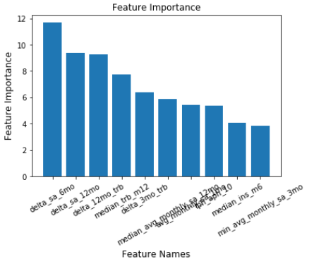
Train Data
Class | Notes | #
0 | Non Taker | 124756
1 | Taker | 125228

Classification Report
 | precision | recall | f1-score | support
0 | 0.934577 | 0.977075 | 0.955354 | 124756
1 | 0.976078 | 0.93186 | 0.953457 | 125228
accuracy | 95.443%
AUC | 99%

Confusion Matrix
 | Predicted: Non Taker | Predicted: Taker
Actual: Non Taker | 121896 | 2860
Actual: Taker | 8533 | 116695

Test Data
Class | Notes | #
0 | Non Taker | 31353
1 | Taker | 31143

Classification Report
 | precision | recall | f1-score | support
0 | 0.943129 | 0.974293 | 0.958458 | 31353
1 | 0.973229 | 0.940853 | 0.956767 | 31143
accuracy | 95.763%
AUC | 99%

Confusion Matrix
 | Predicted: Non Taker | Predicted: Taker
Actual: Non Taker | 30547 | 806
Actual: Taker | 1842 | 29301

Validation Data
Class | Notes | #
0 | Non Taker | 39191
1 | Taker | 38929

Classification Report
 | precision | recall | f1-score | support
0 | 0.960469 | 0.956597 | 0.958529 | 39191
1 | 0.956482 | 0.960364 | 0.958419 | 38929
accuracy | 95.763%
AUC | 99%

Confusion Matrix
78120 | Predicted: Non Taker | Predicted: Taker
Actual: Non Taker | 37490 | 1701
Actual: Taker | 1543 | 37386

Best Threshold = 0.77 | Best Threshold = 0.44

decile | decile_size | min_proba | max_proba | n_takers | n_non_takers | decile_percentage | decile_takers_rate | decile_non_takers_rate | overall_takers_rate | overall_non_takers_rate | cum_non_takers_rate | cum_takers_rate / gain | ks | lift
1 | 7812 | 1 | 1 | 7797 | 15 | 10% | 100% | 0% | 20% | 0% | 0% | 20% | 20% | 2.002877
2 | 7812 | 0.999874 | 1 | 7777 | 35 | 20% | 100% | 0% | 20% | 0% | 0% | 40% | 40% | 2.000308
3 | 7812 | 0.996835 | 0.999874 | 7755 | 57 | 30% | 99% | 1% | 20% | 0% | 0% | 60% | 60% | 1.997568
4 | 7812 | 0.952316 | 0.996835 | 7633 | 179 | 40% | 98% | 2% | 20% | 0% | 1% | 80% | 79% | 1.988363
5 | 7812 | 0.514181 | 0.952313 | 6412 | 1400 | 50% | 82% | 18% | 16% | 4% | 4% | 96% | 92% | 1.920111
6 | 7812 | 0.033302 | 0.514162 | 1307 | 6505 | 60% | 17% | 83% | 3% | 17% | 21% | 99% | 78% | 1.656049
7 | 7812 | 0.023297 | 0.0333 | 164 | 7648 | 70% | 2% | 98% | 0% | 20% | 40% | 100% | 59% | 1.425489
8 | 7812 | 0.022718 | 0.023297 | 26 | 7786 | 80% | 0% | 100% | 0% | 20% | 60% | 100% | 40% | 1.248138
9 | 7812 | 0.013648 | 0.022718 | 29 | 7783 | 90% | 0% | 100% | 0% | 20% | 80% | 100% | 20% | 1.110283
10 | 7812 | 0.000129 | 0.013641 | 29 | 7783 | 100% | 0% | 100% | 0% | 20% | 100% | 100% | 0% | 1

 | Random | Gain
1 | 10% | 20%
2 | 20% | 40%
3 | 30% | 60%
4 | 40% | 80%
5 | 50% | 96%
6 | 60% | 99%
7 | 70% | 100%
8 | 80% | 100%
9 | 90% | 100%
10 | 100% | 100%
 | lift | Random
1 | 2.002877 | 1
2 | 2.000308 | 1
3 | 1.997568 | 1
4 | 1.988363 | 1
5 | 1.920111 | 1
6 | 1.656049 | 1
7 | 1.425489 | 1
8 | 1.248138 | 1
9 | 1.110283 | 1
10 | 1 | 1

Model 4 - XGBoost
Feature Importance
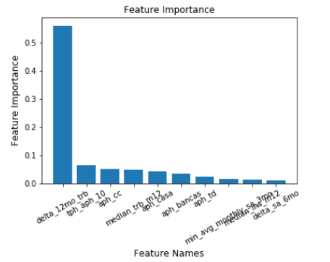
Train Data
Class | Notes | #
0 | Non Taker | 124756
1 | Taker | 125228

Classification Report
 | precision | recall | f1-score | support
0 | 0.987573 | 0.999431 | 0.993466 | 124756
1 | 0.999426 | 0.987471 | 0.993413 | 125228
accuracy | 99.344%
AUC | 99%

Confusion Matrix
 | Predicted: Non Taker | Predicted: Taker
Actual: Non Taker | 124685 | 71
Actual: Taker | 1569 | 123659

Test Data
Class | Notes | #
0 | Non Taker | 31353
1 | Taker | 31143

Classification Report
 | precision | recall | f1-score | support
0 | 0.979888 | 0.985233 | 0.982553 | 31353
1 | 0.985051 | 0.979642 | 0.982339 | 31143
accuracy | 98.245%
AUC | 99%

Confusion Matrix
 | Predicted: Non Taker | Predicted: Taker
Actual: Non Taker | 30890 | 463
Actual: Taker | 634 | 30509

Validation Data
Class | Notes | #
0 | Non Taker | 26016
1 | Taker | 26042

Classification Report
 | precision | recall | f1-score | support
0 | 0.982331 | 0.983108 | 0.98272 | 26016
1 | 0.982981 | 0.982198 | 0.98259 | 26042
accuracy | 98.265%
AUC | 99%

Confusion Matrix
78120 | Predicted: Non Taker | Predicted: Taker
Actual: Non Taker | 37490 | 1701
Actual: Taker | 1543 | 37386

Best Threshold = 0.77

decile | decile_size | min_proba | max_proba | n_takers | n_non_takers | decile_percentage | decile_takers_rate | decile_non_takers_rate | overall_takers_rate | overall_non_takers_rate | cum_non_takers_rate | cum_takers_rate / gain | ks | lift
1 | 7812 | 0.999901 | 0.999998 | 7812 | 0 | 0.1 | 100% | 0% | 20% | 0% | 0% | 20% | 20% | 2.00673
2 | 7812 | 0.999684 | 0.999901 | 7812 | 0 | 0.2 | 100% | 0% | 20% | 0% | 0% | 40% | 40% | 2.00673
3 | 7812 | 0.998916 | 0.999684 | 7804 | 8 | 0.3 | 100% | 0% | 20% | 0% | 0% | 60% | 60% | 2.006045
4 | 7812 | 0.99525 | 0.998916 | 7785 | 27 | 0.4 | 100% | 0% | 20% | 0% | 0% | 80% | 80% | 2.004483
5 | 7812 | 0.437927 | 0.99525 | 7095 | 717 | 0.5 | 91% | 9% | 18% | 2% | 2% | 98% | 96% | 1.968096
6 | 7812 | 0.010148 | 0.437379 | 558 | 7254 | 0.6 | 7% | 93% | 1% | 19% | 20% | 100% | 79% | 1.663969
7 | 7812 | 0.002674 | 0.010148 | 31 | 7781 | 0.7 | 0% | 100% | 0% | 20% | 40% | 100% | 60% | 1.427397
8 | 7812 | 0.001307 | 0.002673 | 20 | 7792 | 0.8 | 0% | 100% | 0% | 20% | 60% | 100% | 40% | 1.249615
9 | 7812 | 0.00056 | 0.001307 | 7 | 7805 | 0.9 | 0% | 100% | 0% | 20% | 80% | 100% | 20% | 1.110968
10 | 7812 | 0.000077 | 0.00056 | 5 | 7807 | 1 | 0% | 100% | 0% | 20% | 100% | 100% | 0% | 1
 | Random | Gain
1 | 10% | 20%
2 | 20% | 40%
3 | 30% | 60%
4 | 40% | 80%
5 | 50% | 98%
6 | 60% | 100%
7 | 70% | 100%
8 | 80% | 100%
9 | 90% | 100%
10 | 100% | 100%
 | lift | Random
1 | 2.00673 | 1
2 | 2.00673 | 1
3 | 2.006045 | 1
4 | 2.004483 | 1
5 | 1.968096 | 1
6 | 1.663969 | 1
7 | 1.427397 | 1
8 | 1.249615 | 1
9 | 1.110968 | 1
10 | 1 | 1

